Page 1
 | UNIVERSITY OF GEORGIA: Student Financial Aid Summary |  | Total: Total: $591,478,100
Tuition & Fees | $11,830
Books & Supplies | $986
Room & Board | $10,038
Misc. & Travel | $3,834
Nonresident On-Campus
Tuition & Fees | $30,404
Books & Supplies | $986
Room & Board | $10,038
Misc. & Travel | $4,334
Resident
On-Campus

$45,762
Total:

TOTAL STUDENT AID (All Students)
Scholarships, Grants & Waivers | $399,239,572
Loans | $191,433,772
Employment | $804,756

Private | $7,407,572
Institutional | $41,140,768
Federal | $32,424,760
State | $188,089,219

 | Source: Office of Student Financial Aid

Start |  | 2019-10-23
Done |  | 2019-11-25

COA
Resident
 |  |  | Tuition/Fees | Room/Board | Books | Misc/Travel | Sub/Plus
Tuition & Fees | $11,830 | 44.33% | 9,552 | 6,042 | 986 | 2,644 | 64
Resident
On-Campus
$26,688
Total:
Books & Supplies | $986 | 3.69% | 2,278 | 3,996 |  | 1,190 | 500
Room & Board | $10,038 | 37.61% | 11,830 | 10,038 | 986 | 3,834 | 564 | 27,252
Misc. & Travel | $3,834 | 14.37% |  |  |  | 26,688
Total | $26,688 | 100.00%

Nonresident On-Campus
$45,762
Total:
Nonresident
Tuition & Fees | $30,404 | 66.44% | 28,126 | 6,042 | 986 | 2,644 | 64
Books & Supplies | $986 | 2.15% | 2,278 | 3,996 |  | 1,690 | 488
Room & Board | $10,038 | 21.94% | 30,404 | 10,038 | 986 | 4,334 | 552 | 46,314
Misc. & Travel | $4,334 | 9.47% |  |  |  | 45,762
Total | $45,762 | 100.00%

Resident Information: |  | O:\Documents\Awarding Manual\2018-19 Awarding Manual\2018-19 Fall & Spring COA - Undergrad - In-State.pdf
NonResident Information: |  | O:\Documents\Awarding Manual\2018-19 Awarding Manual\2018-19 Fall & Spring COA - Undergrad - Out-of-State

Start | 2019-10-17
Done | 2019-10-17

 |  |  | -$26,688

Std Fin Aid Awards
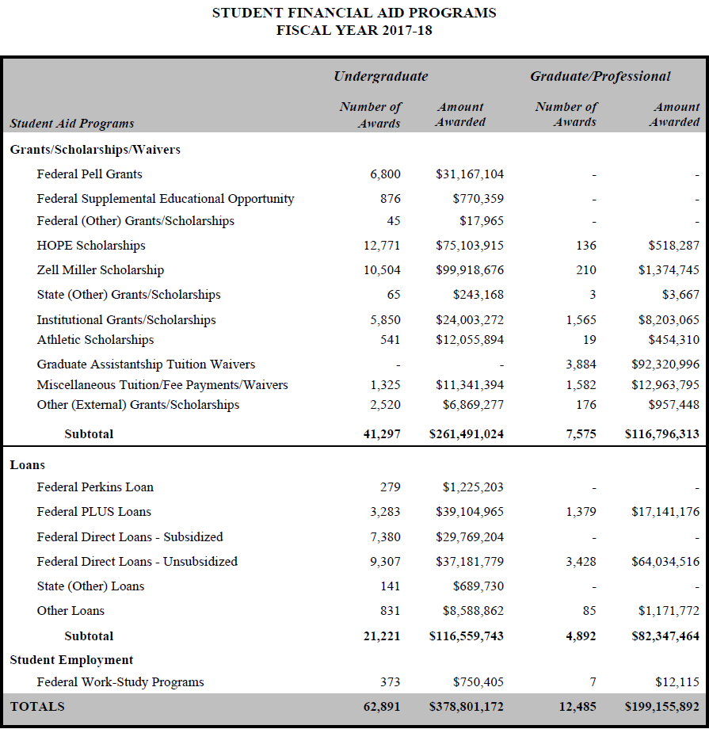
STUDENT FINANCIAL AID AWARDS 2018-19 |  |  |  |  |  |  |  |  | STUDENT FINANCIAL AID AWARDS 2017-18 |  |  |  |  |  |  |  | STUDENT FINANCIAL AID AWARDS 2015-16
Scholarships, Grants & Waivers |  | Under- graduate | Grad/ Professional | Total 2018-19 |  | Total 2017-18 |  | % Change | Scholarships, Grants & Waivers | Under- graduate | Grad/ Professional | Total 2016-17 |  | Total 2015-16 |  | % Change | Scholarships, Grants & Waivers | Under- graduate | Grad/ Professional | Total 2015-16 | Total 2014-15 | % Change
Federal Pell Grants |  | $31,463,054 | $0 | $31,463,054 |  | $31,167,104 |  | 1% | Federal Pell Grants | $31,167,104 | $0 | $31,167,104 |  | $27,350,719 |  | 14% | Federal Pell Grants | $27,350,719 | $0 | $27,350,719 | $27,681,078 | -1%
Federal Supplemental Opportunity Grant |  | $961,706 | $0 | $961,706 |  | $770,359 |  | 25% | Federal Supplemental Opportunity Grant | $770,359 | $0 | $770,359 |  | $703,104 |  | 10% | Federal Supplemental Opportunity Grant | $703,104 | $0 | $703,104 | $696,000 | 1%
HOPE Scholarships |  | $73,967,546 | $437,026 | $74,404,572 |  | $75,622,202 |  | -2% | HOPE Scholarships | $75,103,915 | $518,287 | $75,622,202 |  | $74,371,714 |  | 2% | HOPE Scholarships | $73,980,981 | $390,733 | $74,371,714 | $74,366,932 | 0%
Zell Miller Scholarships |  | $113,892,503 | $1,246,605 | $115,139,108 |  | $101,293,421 |  | 14% | Zell Miller Scholarships | $99,918,676 | $1,374,745 | $101,293,421 |  | $81,519,837 |  | 24% | Zell Miller Scholarships | $80,281,273 | $1,238,564 | $81,519,837 | $65,716,855 | 24%
Athletic Scholarships |  | $12,738,081 | $466,465 | $13,204,546 |  | $12,510,204 |  | 6% | Athletic Scholarships | $12,055,894 | $454,310 | $12,510,204 |  | $11,589,754 |  | 8% | Athletic Scholarships | $11,072,515 | $517,239 | $11,589,754 | $10,641,824 | 9%
Institutional Grants/Scholarships |  | $28,402,687 | $9,310,157 | $37,712,844 |  | $32,206,337 |  | 17% | Institutional Grants/Scholarships | $24,003,272 | $8,203,065 | $32,206,337 |  | $25,824,246 |  | 25% | Institutional Grants/Scholarships | $18,170,786 | $7,653,460 | $25,824,246 | $22,114,609 | 17%
State Grants/Scholarships |  | $229,170 | $3,000 | $232,170 |  | $246,835 |  | -6% | State Grants/Scholarships | $243,168 | $3,667 | $246,835 |  | $139,898 |  | 76% | State (Non-Georgia) Grants/Scholarships | $136,120 | $3,778 | $139,898 | $175,209 | -20%
Federal (Other) Grants/Scholarships |  | $0 | $0 | $0 |  | $17,965 |  | -100% | Federal (Other) Grants/Scholarships | $17,965 | $0 | $17,965 |  | $57,486 |  | -69% | Federal (Other) Grants/Scholarships | $57,486 | $0 | $57,486 | $352,822 | -84%
Private (External) Grants/Scholarships |  | $7,407,572 | $765,845 | $8,173,417 |  | $7,826,725 |  | 4% | Private (External) Grants/Scholarships | $6,869,277 | $957,448 | $7,826,725 |  | $6,600,900 |  | 19% | Private (External) Grants/Scholarships | $5,804,037 | $796,863 | $6,600,900 | $6,423,187 | 3%
Miscellaneous Tuition/Fee Payments/Waivers |  | $10,340,664 | $12,322,599 | $22,663,263 |  | $24,305,189 |  | -7% | Miscellaneous Tuition/Fee Payments/Waivers | $11,341,394 | $12,963,795 | $24,305,189 |  | $19,049,501 |  | 28% | Miscellaneous Tuition/Fee Payments/Waivers | $9,631,291 | $9,418,210 | $19,049,501 | $18,431,592 | 3%
Graduate Assistantship Tuition Waivers |  | $0 | $95,284,892 | $95,284,892 |  | $92,320,996 |  | 3% | Graduate Assistantship Tuition Waivers | $0 | $92,320,996 | $92,320,996 |  | $89,035,589 |  | 4% | Graduate Assistantship Tuition Waivers | $0 | $89,035,589 | $89,035,589 | $83,631,231 | 6%
Subtotal |  | $279,402,983 | $119,836,589 | $399,239,572 |  | $378,287,337 |  | 6% | Subtotal | $261,491,024 | $116,796,313 | $378,287,337 |  | $336,242,748 |  | 13% | Subtotal | $227,188,312 | $109,054,436 | $336,242,748 | $310,231,339 | 8%

Loans |  |  |  |  |  |  |  |  | Loans |  |  |  |  |  |  |  | Loans
Federal Perkins Loan |  | $0 | $0 | $0 |  | $1,225,203 |  | -100% | Federal Perkins Loan | $1,225,203 | $0 | $1,225,203 |  | $1,609,934 |  | -24% | Federal Perkins Loan | $1,173,150 | $436,784 | $1,609,934 | $1,628,224 | -1%
Federal PLUS Loans |  | $37,431,486 | $16,178,651 | $53,610,137 |  | $39,104,965 |  | 37% | Federal PLUS Loans | $39,104,965 | $17,141,176 | $56,246,141 |  | $48,159,596 |  | 17% | Federal PLUS Loans | $31,957,733 | $16,201,863 | $48,159,596 | $39,945,094 | 21%
Federal Direct Loans - Subsidized |  | $28,251,944 | $0 | $28,251,944 |  | $29,769,204 |  | -5% | Federal Direct Loans - Subsidized | $29,769,204 | $0 | $29,769,204 |  | $30,075,462 |  | -1% | Federal Direct Loans - Subsidized | $30,075,462 | $0 | $30,075,462 | $29,264,635 | 3%
Federal Direct Loans - Unsubsidized |  | $34,287,686 | $62,291,405 | $96,579,091 |  | $101,216,295 |  | -5% | Federal Direct Loans - Unsubsidized | $37,181,779 | $64,034,516 | $101,216,295 |  | $103,361,640 |  | -2% | Federal Direct Loans - Unsubsidized | $38,227,858 | $65,133,782 | $103,361,640 | $105,082,921 | -2%
State Loans |  | $847,951 | $0 | $847,951 |  | $689,730 |  | 23% | State Loans | $689,730 | $0 | $689,730 |  | $368,104 |  | 87% | State (Non-Georgia) Loans | $368,104 | $0 | $368,104 | $299,282 | 23%
Private Loans |  | $10,725,794 | $1,418,855 | $12,144,649 |  | $9,760,634 |  | 24% | Private Loans | $8,588,862 | $1,171,772 | $9,760,634 |  | $9,738,632 |  | 0% | Private Loans | $8,195,154 | $1,543,478 | $9,738,632 | $9,211,967 | 6%
Subtotal |  | $111,544,861 | $79,888,911 | $191,433,772 |  | $181,766,031 |  | 5% | Subtotal | $116,559,743 | $82,347,464 | $198,907,207 |  | $193,313,368 |  | 3% | Subtotal | $109,997,461 | $83,315,907 | $193,313,368 | $185,432,123 | 4%

Student Employment |  |  |  |  |  |  |  |  | Student Employment |  |  |  |  |  |  |  | Student Employment
Federal Work-Study Program |  | $787,569 | $17,187 | $804,756 |  | $762,520 |  | 6% | Federal Work-Study Program | $750,405 | $12,115 | $762,520 |  | $863,414 |  | -12% | Federal Work-Study Program | $851,997 | $11,417 | $863,414 | $791,726 | 9%
Subtotal |  | $787,569 | $17,187 | $804,756 | $0 | $762,520 |  | 6% | Subtotal | $750,405 | $12,115 | $762,520 | $0 | $863,414 |  | -12% | Subtotal | $851,997 | $11,417 | $863,414 | $791,726 | 9%
Grand Total |  | $391,735,413 | $199,742,687 | $591,478,100 | $0 | $560,815,888 | $0 | 5% | Grand Total | $378,801,172 | $199,155,892 | $577,957,064 | $0 | $530,419,530 | $0 | 9% | Grand Total | $338,037,770 | $192,381,760 | $530,419,530 | $496,455,188 | 7%

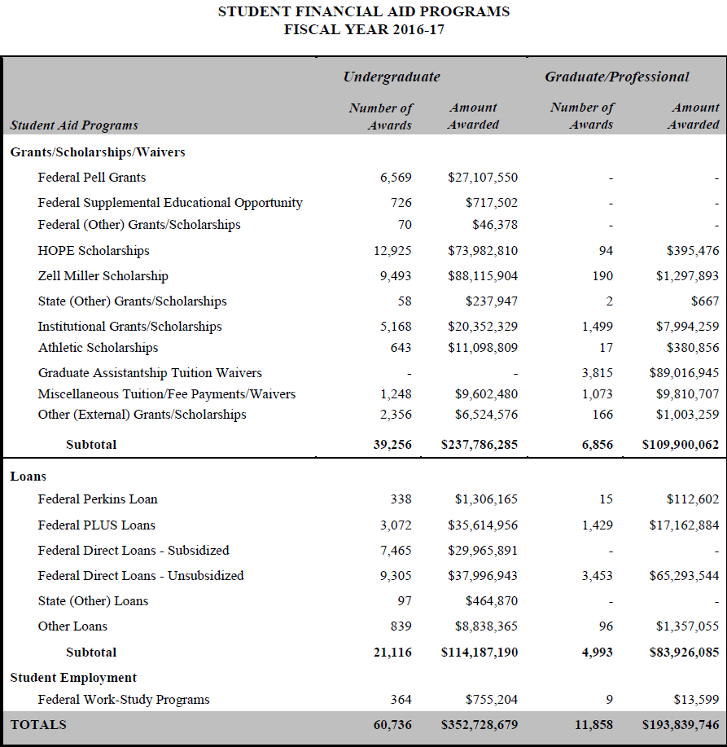

to do - question of assistantships
Information from current & previous year factbook(s) |  |  | Folder: O:\Departments\Compliance\Factbook\(YY-1)YY\
 |  |  | Folder: O:\Departments\Compliance\Factbook\(YY-2)(YY-1)\

 | start: | 2019-10-17
 | done: | 2019-11-17

Total Std Aid
Scholarships, Grants & Waivers | Loans | Employment
$399,239,572 | $191,433,772 | $804,756 | Total: $591,478,100 | <- numbers pulled from previous worksheet

TOTAL STUDENT AID (All Students) $546,568,425

 |  |  |  | Total: Total: $591,478,100

 |  |  |  |  | $591,478,100

start: | 2019-10-17
done: | 2019-10-17

Undergrad School
Private | Institutional | Federal | State |  | Private | Institutional | Federal | State
$7,407,572 | $28,402,687 | $31,463,054 | $73,967,546 |  | Other (External) Grants/Scholarships | Institutional Grants/Scholarships | Federal Pell Grants | HOPE Scholarships
$0 | $12,738,081 | $961,706 | $113,892,503 | KEY-> |  | Athletic Scholarships | Federal Supplemental Educational Opportunity Grant | Zell Miller Scholarship
$0 | $0 | $0 | $229,170 |  |  |  | Federal (Other) Grants/Scholarships | State (Other) Grants/Scholarships
$0 | $0 | $0 | $0
$0 | $0 | $0 | $0
$7,407,572 | $41,140,768 | $32,424,760 | $188,089,219 |  | Total: $269,062,319

Private | Institutional | Federal | State
$7,407,572 | $41,140,768 | $32,424,760 | $188,089,219

UNDERGRADUATE SCHOLARSHIPS & GRANTS BY SOURCE 2018-19

start: | 2019-10-17
done: | 2019-10-17

Loan Debt
Debt of Undergraduate Students Graduating With Student Loans

Year of Graduation | 2009-10 | 2010-11 | 2011-12 | 2012-13 | 2013-14 | 2014-15 | 2015-16 | 2016-17 | 2017-18
Median Total Student Loan Debt of Borrowers | $13,625 | $15,000 | $16,499 | $17,039 | $18,245 | $19,000 | $19,146 | $18,750 | $18,750

 | #REF! |  | Median Total Student Loan Debt of Borrowers
2009-10 | 1 | 2009-10 | $13,625
2010-11 |  | 2010-11 | $15,000
2011-12 |  | 2011-12 | $16,499
2012-13 |  | 2012-13 | $17,039
2013-14 |  | 2013-14 | $18,245
2014-15 |  | 2014-15 | $19,000
2015-16 |  |  | $19,146
2016-17

 |  |  |  |  |  |  |  |  |  | 12174
 |  |  |  |  |  |  |  |  |  | 13625
 |  |  |  |  |  |  |  |  |  | 15000
 |  |  |  |  |  |  |  |  |  | 16499
 |  |  |  |  |  |  |  |  |  | 17038.5
 |  |  |  |  |  |  |  |  |  | 18245
 |  |  |  |  |  |  |  |  |  | 19000
 |  |  |  |  |  |  |  |  |  | 19146

* Information gathered from the College Scorecard website
 | UNITID | OPEID | OPEID6 | INSTNM |  | GRAD_DEBT_MDN |  |  |  |  | OIR CDS
MERGEDyyyy_yy.xlsx | 139959 | 159800 | 1598 | University of Georgia |  | Cell BEW

Start |  | 10/17/2019
Finish |  | 11/25/2019

